Setup plate layout
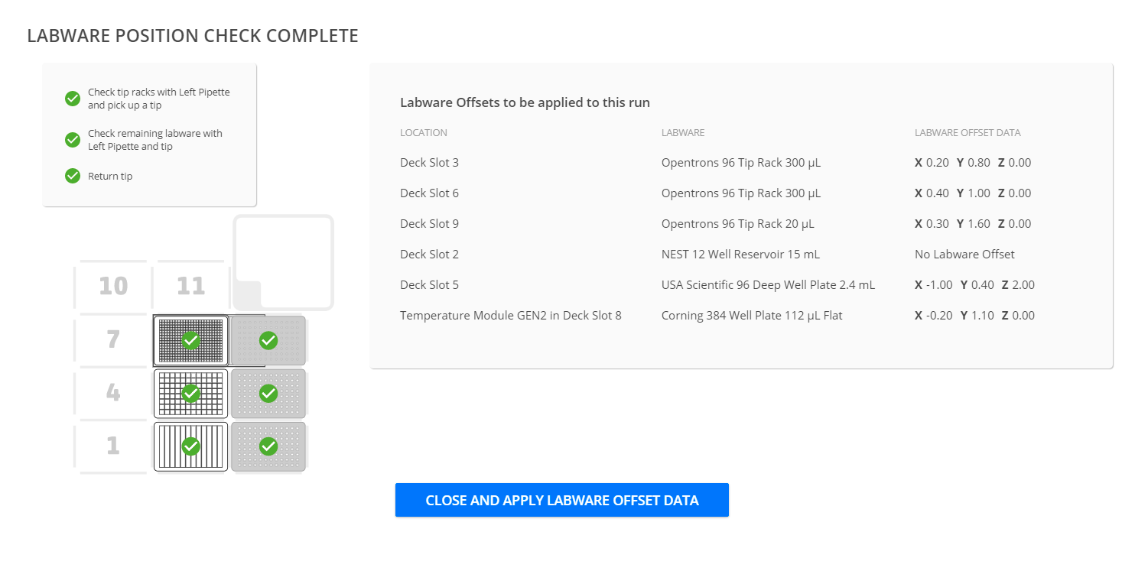
Dilution plate layouts
All volumes from "Parameters to test" sheet
deepwell_plate
Well volumes in µL
Buffer total |  | 0
 | Level 1 | Level 2 | Level 3 | Level 4 | Level 5 | Level 6 | Level 7 | Level 8
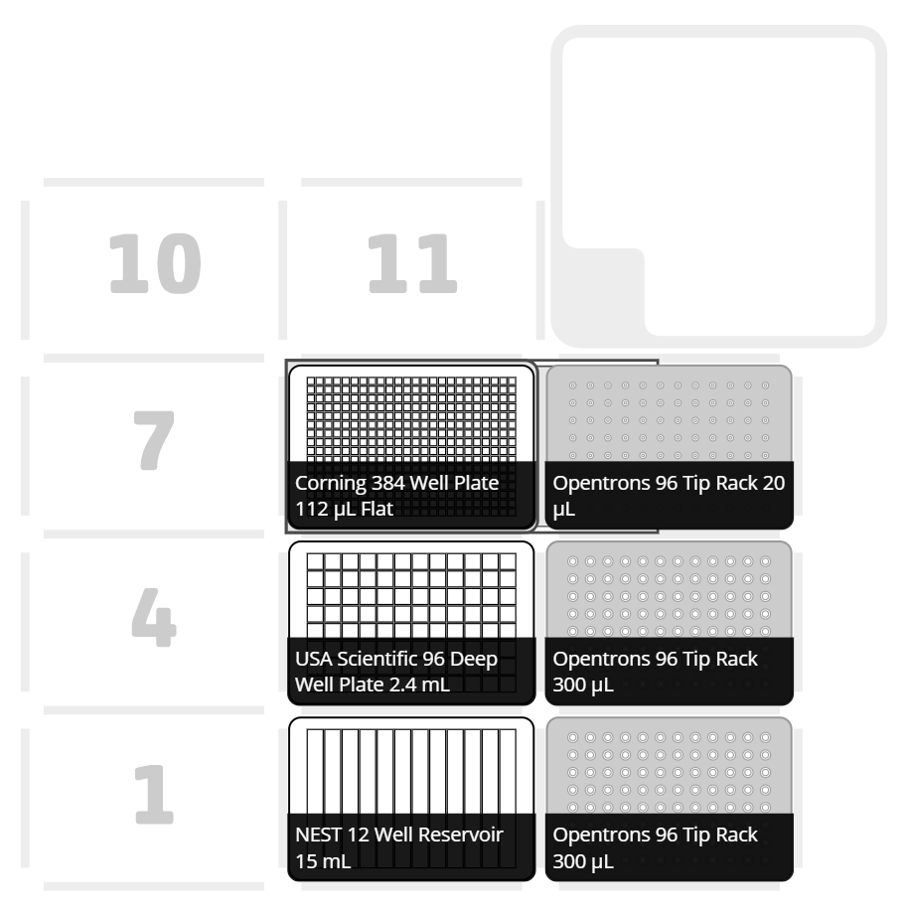
 | AdhE_1 | Space for serial dilutions of enzymes. Note: make 1:100 dilution of AdhE proteins in first well (10 ul protein --> 990 ul buffer) |  |  |  |  |  |  |  |  |  |  | A
 | 1000 µL
 | AdhE_2 |  |  |  |  |  |  |  |  |  |  |  | B
 | 1000 µL
 | AdhE_3 |  |  |  |  |  |  |  |  |  |  |  | C
 | 1000 µL
 | AdhE_4 |  |  |  |  |  |  |  |  |  |  |  | D
 | 1000 µL
 | AdhE_5 |  |  |  |  |  |  |  |  |  |  |  | E
 | 1000 µL
 | AdhE_6 |  |  |  |  |  |  |  |  |  |  |  | F
 | 1000 µL
 | AdhE_7 |  |  |  |  |  |  |  |  |  |  |  | G
 | 1000 µL
 | AdhE_8 |  |  |  |  |  |  |  |  |  |  |  | H
 | 1000 µL
 | 1 | 2 | 3 | 4 | 5 | 6 | 7 | 8 | 9 | 10 | 11 | 12

reservoir_plate
Well volumes in µL

 | Buffer_NADH |  | Buffer_NADPH |  | Buffer_accoa |  | Buffer_acald |  |  | Buffer | Buffer_BSA | Buffer_BSA | A
 | 4000 |  | 4000 |  | 4000 |  | 4000 |  |  | 8000 | 12000 | 12000
 | 1 | 2 | 3 | 4 | 5 | 6 | 7 | 8 | 9 | 10 | 11 | 12

 | 8-25-2022 offset data

